PF_I_V_isolated_measurment_
Założenia
 | Pomiar prądu I napięcia → komunikacja z prockiem → komunikacja z kompem
 | Zasilanie z sieci
 | Wysiwetlacz oled albo LCD
 | Ethernet ? |  | https://www.ti.com/video/series/precision-labs/ti-precision-labs-ethernet.html
 | USB

STM32H750B-DK | discover board z tym prockiem

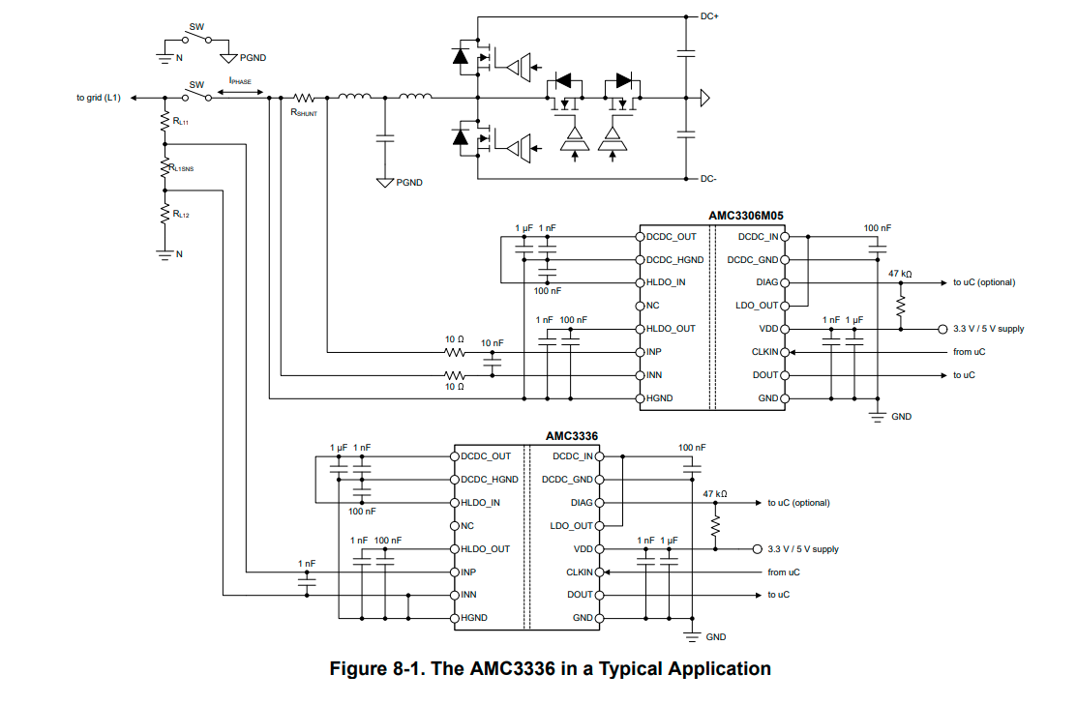
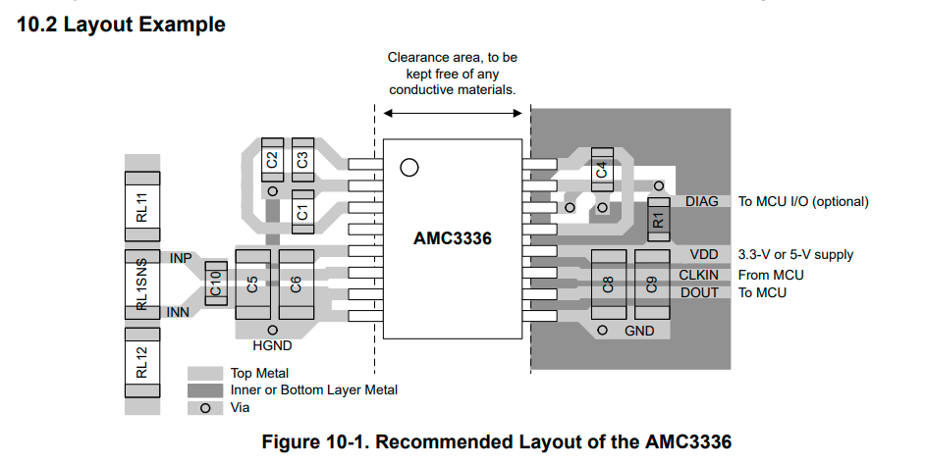
 |  |  |  | Suma
 |  |  |  | 155.71 zł

Type | MPN | Datasheet | Mouser | Price
Isol ADC V | AMC3336 | Link | AMC3336DWER | 35.00 zł
Isol ADC I | AMC3306M25 | Link | AMC3306M25DWER | 31.70 zł
Procek | Stm32 | Link | STM32H750VBT6 | 36.70 zł
Input connector | 691502710003 | Link | 710-691502710003 | 4.21 zł
Shunt R | TLRP3A30DR025FTE | Link | 279-TLRP3A30DR025FTE | 2.00 zł
R div BIG | ERA-6AEB7153V | Link | 667-ERA-6AEB7153V | 2.00 zł
R div SMALL | ERA-3AEB103V | Link | 667-ERA-3AEB103V | 0.50 zł
eFuse | TPS259620DDAR | Link | 595-TPS259620DDAR | 3.00 zł
25M crystal | DSC1001DI1-025.0000 | Link | 998-1001DI1-025.0000 | 3.00 zł
Usb connector | 47590-0001 | Link | 538-47590-0001 | 3.00 zł
USB TVS | USBLC6-4SC6Y | Link | 511-USBLC6-4SC6Y | 1.50 zł
3V3 LDO | TLV1117LV33DCYR | Link | 595-TLV1117LV33DCYR | 1.00 zł
Etherenet mag | ALANL100X1-DE12DT | Link | 815-ALANL100X1DE12DT | 10.00 zł
Etherenet PHY | LAN8740AI | Link | 579-LAN8740AI-EN-TR | 9.00 zł
SSR | VO1400AEFTR | Link | 782-VO1400AEFTR | 9.00 zł
Schmitt inv | SN74LVC14APWRG3 | Link | 595-SN74LVC14APWRG3 | 1.60 zł
Out TVS | PESD36VS2UT,215 | LInk | 771-PESD36VS2UT215 | 2.50 zł

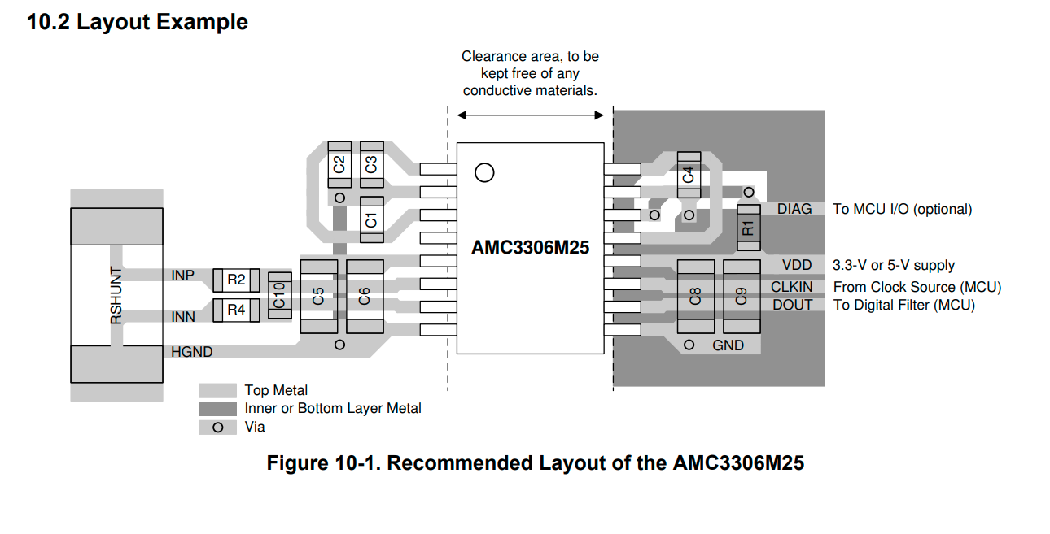

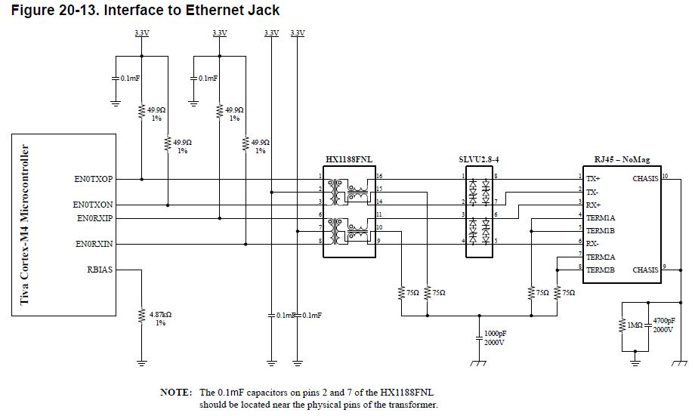

I_ADC calculation

 |  |  | REAL
Vclip | 320 | mV | 320 | mV
Vfs | 250 | mV | 250 | mV
Vshunt | 240 | mV | 240 | mV

I nom | 10 | A | 9.6 | A
I overc | 13.33 | A | 12.8 | A

Rshunt | 24 | mOhm | 25 | mOhm
Pshunt | 2.4 | W | 2.304 | W

V_ADC calculations

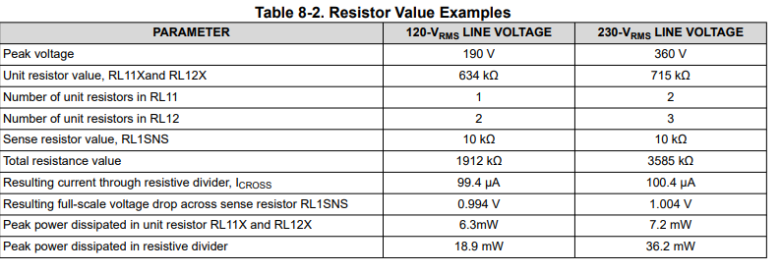

TPS Efuse Calculation |  |  | REAL

Ilim | 1 | A | 0.914 | A
Rlim | 913.23 | Ohm | 1000 | Ohm

UVLO | 2 | V | 2.00 | V
OVLO | 6 | V | 6.01 | V
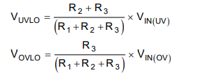
R1 | 94.00 | Ohm | 94.2 | Ohm
R2 | 94.00 | Ohm | 94.2 | Ohm
R3 | 47 | Ohm | 47 | Ohm

R1 + R2 | 188.00 | Ohm | 188.4 | Ohm

Ethernet
 | https://www.ti.com/video/series/precision-labs/ti-precision-labs-ethernet.html

 | https://www.mouser.pl/datasheet/2/268/00001987A-3443048.pdf
 | https://www.mouser.pl/ProductDetail/Amphenol-Commercial-Products/RJHSE-5380?qs=rM3ofmSYd5RUaPrWD7oMhw%3D%3D
 | https://www.mouser.pl/ProductDetail/ABRACON/ALANS100X1-2F10ET?qs=mAH9sUMRCttQXbNrFkUJng%3D%3D
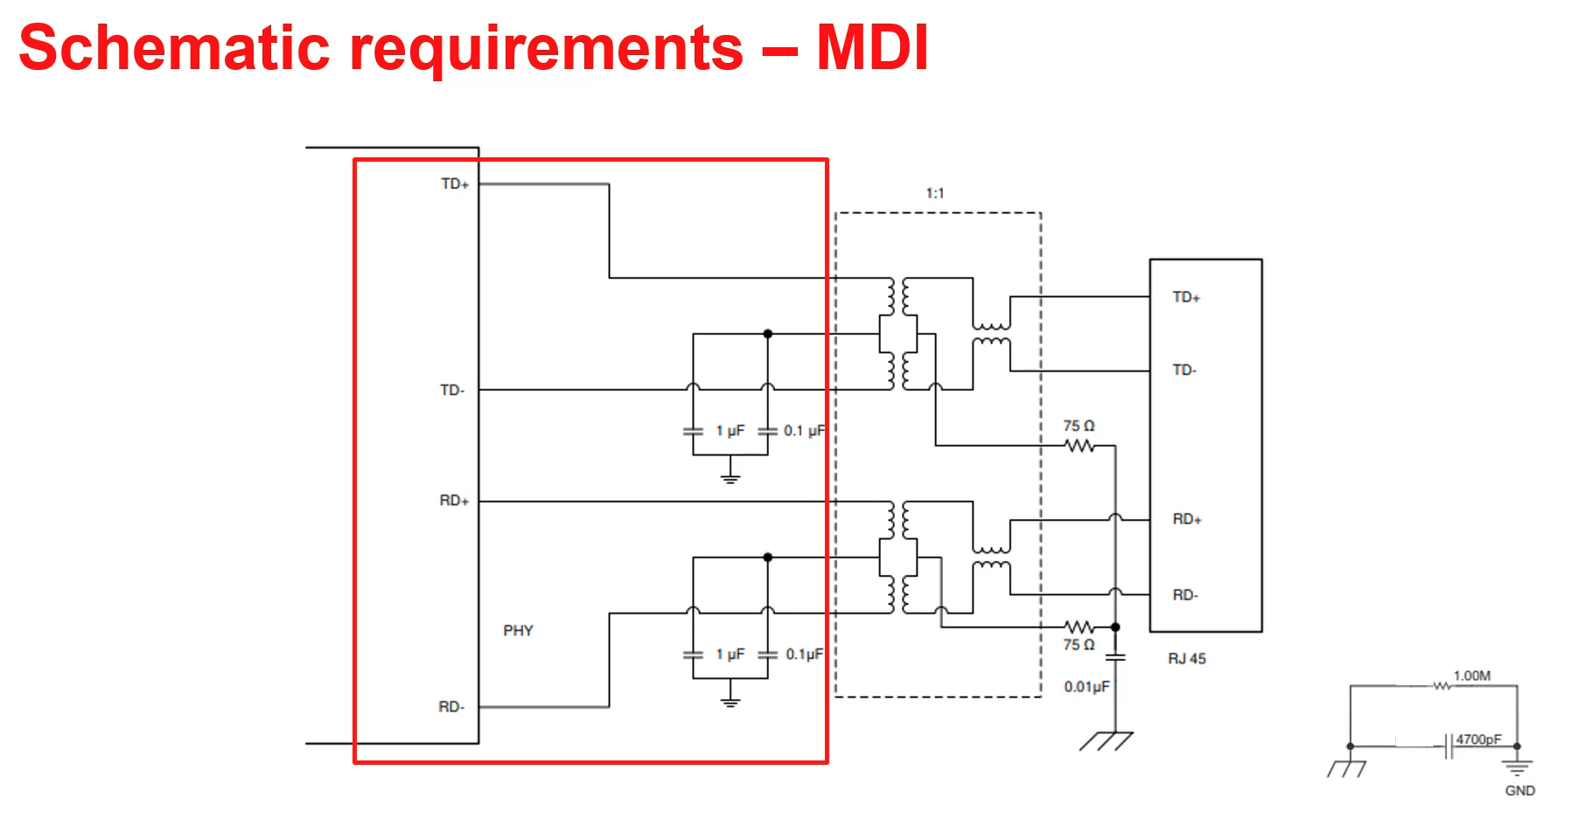

LAN schematic checklist

https://ww1.microchip.com/downloads/aemDocuments/documents/UNG/ProductDocuments/DesignChecklist/LAN8740AQFNRevASchematicChecklist.pdf

